Flowchart and instructions
1. Flowchart - steps to be followed by supplier when issueing change request
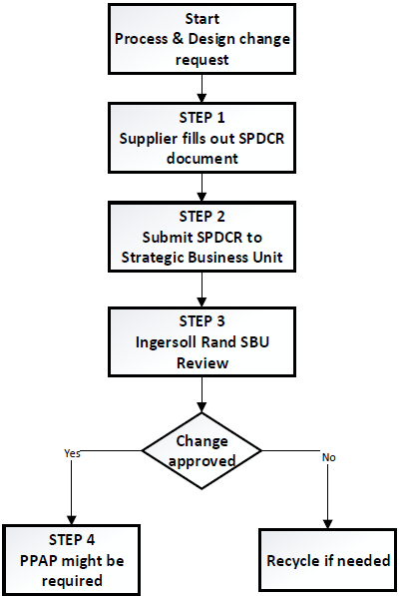

2. Instruction & example how to fill out the SPDCR document

2.1 when filling out the SPDCR form, please make sure that all purple fields are filled out. The sheet is set up in that way that purple cells will disappear when content is set in the cell.

2.2 Fill out Supplier name, location and the date when you submit the SPDCR to Trane Technologies

2.3 Use the dropdown menu's to define the type of change, reason for change and impact (go from left to right)
Complete the Title of request, supplier contact details including Email & phone number

2.4 Use the dropdown menu's to identify the benefit. At least one benefit shall be identified.
Complete the box for justification, affected products, affected partnumbers and revision and the Trane Technologies facilities affected.
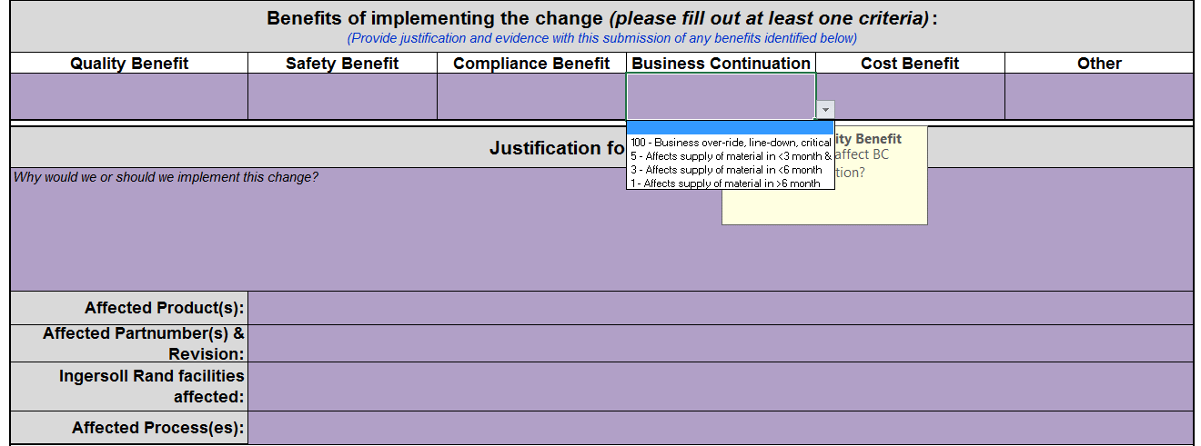

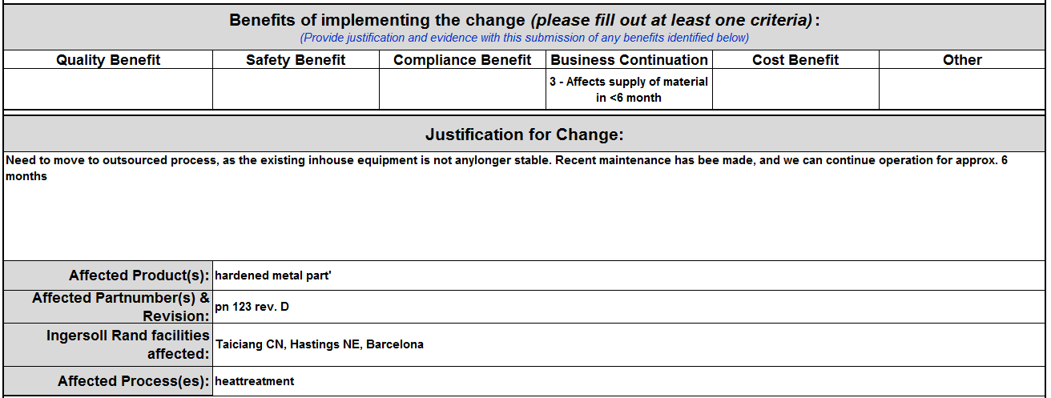

2.5 Complete the data fields to document your risk assessment & containment actions
Document the qualification plan and your planned implementation schedule, once you would get approval from Trane Technologies.

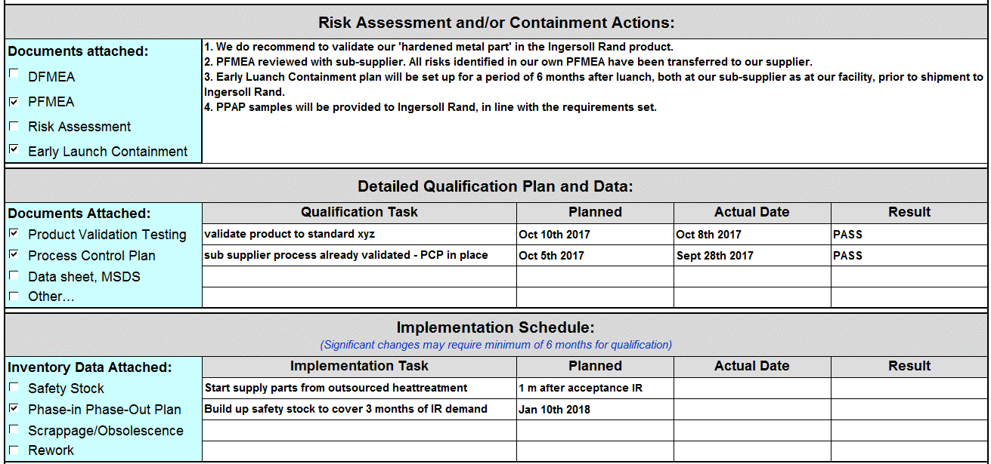

2.6 Once complete, please send the SPDCR to the plant quality persons, or to the central email for the business unit (e.g. spdcr@thermoking.com)

